Changepoint analysis
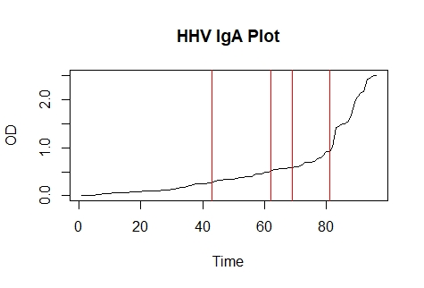
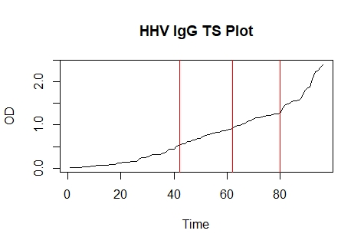
P0185 HHV 6A IgG |  |  | P0186 HHV 6A IgA
Lot | OD | Result | Lot | OD | Result
Ab-E17570 | 2.41 | Positive | Ab-E19299 | 2.502 | Positive
Ab-E17572 | 2.35 | Positive | Ab-E17588 | 2.493 | Positive
Ab-E16645 | 2.267 | Positive | Ab-E19304 | 2.447 | Positive
Ab-E19301 | 2.246 | Positive | Ab-E17652 | 2.42 | Positive
Ab-E17155 | 2.059 | Positive | Ab-E17155 | 2.162 | Positive
Ab-E13032 | 1.883 | Positive | Ab-E16622 | 2.147 | Positive
Ab-E18042 | 1.847 | Positive | Ab-E19301 | 2.058 | Positive
Ab-E17588 | 1.788 | Positive | Ab-E19101 | 1.93 | Positive
Ab-E17660 | 1.641 | Positive | Ab-E17866 | 1.673 | Positive
Ab-E18941 | 1.584 | Positive | Ab-E17180 | 1.555 | Positive
Ab-E19101 | 1.571 | Positive | Ab-E17150 | 1.486 | Positive
Ab-E19304 | 1.556 | Positive | Ab-E17358 | 1.485 | Positive
Ab-E19305 | 1.528 | Positive | Ab-E19300 | 1.431 | Positive
Ab-E16622 | 1.49 | Positive | Ab-E17572 | 1.424 | Positive
Ab-E12217 | 1.478 | Positive | Ab-E19305 | 1.005 | Positive
Ab-E19200 | 1.395 | Positive | Ab-E18943 | 0.926 | Equivocal
Ab-E17597 | 1.274 | Positive | Ab-E13215 | 0.909 | Equivocal
Ab-E15983 | 1.259 | Positive | Ab-E18941 | 0.838 | Equivocal
Ab-E15012 | 1.252 | Positive | Ab-E19309 | 0.786 | Equivocal
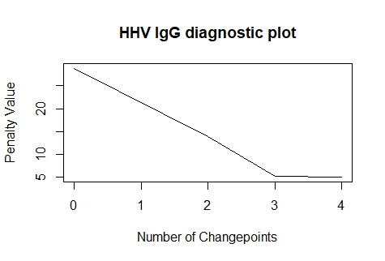
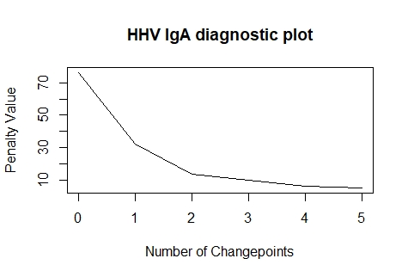
Ab-E19299 | 1.235 | Equivocal | Ab-E19308 | 0.767 | Equivocal
Ab-E14748 | 1.23 | Equivocal | Ab-E18783 | 0.713 | Equivocal
Ab-E18094 | 1.224 | Equivocal | Ab-E19200 | 0.702 | Equivocal
Ab-E15011 | 1.203 | Equivocal | Ab-E17953 | 0.7 | Equivocal
Ab-E19308 | 1.18 | Equivocal | Ab-E18042 | 0.688 | Equivocal
Ab-E17121 | 1.178 | Equivocal | Ab-E17982 | 0.635 | Equivocal
Ab-E17953 | 1.167 | Equivocal | Ab-E18193 | 0.608 | Equivocal
Ab-E18048 | 1.152 | Equivocal | Ab-E18183 | 0.606 | Equivocal
Ab-E15197 | 1.099 | Equivocal | Ab-E18416 | 0.576 | Equivocal
Ab-E17604 | 1.091 | Equivocal | Ab-E15197 | 0.575 | Equivocal
Ab-E17358 | 1.046 | Equivocal | Ab-E14997 | 0.57 | Equivocal
Ab-E17596 | 1.018 | Equivocal | Ab-E18094 | 0.567 | Equivocal
Ab-E17605 | 0.996 | Equivocal | Ab-E17247 | 0.564 | Equivocal
Ab-E15004 | 0.985 | Equivocal | Ab-E15001 | 0.547 | Equivocal
Ab-E17564 | 0.969 | Equivocal | Ab-E16582 | 0.545 | Equivocal
Ab-E13041 | 0.911 | Equivocal | Ab-E15004 | 0.509 | Negative
Ab-E19017 | 0.908 | Equivocal | Ab-E18048 | 0.484 | Negative
Ab-E17141 | 0.879 | Negative | Ab-E17981 | 0.482 | Negative
Ab-E15203 | 0.873 | Negative | Ab-E17313 | 0.455 | Negative
Ab-E17180 | 0.872 | Negative | Ab-E17605 | 0.455 | Negative
Ab-E18968 | 0.835 | Negative | Ab-E17295 | 0.445 | Negative
Ab-E18961 | 0.824 | Negative | Ab-E15011 | 0.395 | Negative
Ab-E17937 | 0.808 | Negative | Ab-E15012 | 0.394 | Negative
Ab-E17313 | 0.797 | Negative | Ab-E17596 | 0.389 | Negative
Ab-E17177 | 0.769 | Negative | Ab-E17570 | 0.383 | Negative
Ab-E19201 | 0.757 | Negative | Ab-E19014 | 0.379 | Negative
Ab-E17584 | 0.733 | Negative | Ab-E13032 | 0.363 | Negative
Ab-E16260 | 0.68 | Negative | Ab-E17564 | 0.347 | Negative
Ab-E19309 | 0.68 | Negative | Ab-E15000 | 0.343 | Negative
Ab-E14997 | 0.652 | Negative | Ab-E17660 | 0.337 | Negative
Ab-E17946 | 0.647 | Negative | Ab-E13387 | 0.335 | Negative
Ab-E15199 | 0.623 | Negative | Ab-E17604 | 0.324 | Negative
Ab-E13215 | 0.616 | Negative | Ab-E15203 | 0.324 | Negative
Ab-E17600 | 0.567 | Negative | Ab-E16645 | 0.302 | Negative
Ab-E16582 | 0.566 | Negative | Ab-E18968 | 0.277 | Negative
Ab-E18193 | 0.519 | Negative | Ab-E17141 | 0.273 | Negative
Ab-E18969 | 0.513 | Negative | Ab-E17121 | 0.249 | Negative
Ab-E17933 | 0.443 | Negative | Ab-E17668 | 0.245 | Negative
Ab-E14719 | 0.44 | Negative | Ab-E14748 | 0.244 | Negative
Ab-E18183 | 0.431 | Negative | Ab-E17914 | 0.242 | Negative
Ab-E17150 | 0.363 | Negative | Ab-E17177 | 0.227 | Negative
Ab-E18416 | 0.356 | Negative | Ab-E16172 | 0.206 | Negative
Ab-E12554 | 0.319 | Negative | Ab-E18961 | 0.185 | Negative
Ab-E15000 | 0.317 | Negative | Ab-E12217 | 0.177 | Negative
Ab-E17981 | 0.317 | Negative | Ab-E17901 | 0.171 | Negative
Ab-E16172 | 0.317 | Negative | Ab-E15199 | 0.159 | Negative
Ab-E17652 | 0.275 | Negative | Ab-E13041 | 0.146 | Negative
Ab-E13387 | 0.255 | Negative | Ab-E17584 | 0.132 | Negative
Ab-E17247 | 0.245 | Negative | Ab-E15983 | 0.128 | Negative
Ab-E17295 | 0.24 | Negative | Ab-E14719 | 0.123 | Negative
Ab-E15001 | 0.221 | Negative | Ab-E18000 | 0.123 | Negative
Ab-E17251 | 0.157 | Negative | Ab-E17664 | 0.11 | Negative
Ab-E17901 | 0.156 | Negative | Ab-E17251 | 0.109 | Negative
Ab-E17664 | 0.15 | Negative | Ab-E18717 | 0.097 | Negative
Ab-E18965 | 0.142 | Negative | Ab-E14747 | 0.096 | Negative
Ab-E17668 | 0.129 | Negative | Ab-E16260 | 0.093 | Negative
Ab-E18943 | 0.129 | Negative | Ab-E18965 | 0.093 | Negative
Ab-E18011 | 0.121 | Negative | Ab-E17937 | 0.09 | Negative
Ab-E18000 | 0.118 | Negative | Ab-E19201 | 0.089 | Negative
Ab-E19020 | 0.081 | Negative | Ab-E18035 | 0.088 | Negative
Ab-E14747 | 0.075 | Negative | Ab-E12554 | 0.077 | Negative
Ab-E18717 | 0.073 | Negative | Ab-E13746 | 0.073 | Negative
Ab-E19300 | 0.07 | Negative | Ab-E17946 | 0.07 | Negative
Ab-E18035 | 0.066 | Negative | Ab-E18011 | 0.069 | Negative
Ab-E17249 | 0.065 | Negative | Ab-E17933 | 0.062 | Negative
Ab-E17866 | 0.065 | Negative | Ab-E17249 | 0.061 | Negative
Ab-E13746 | 0.055 | Negative | Ab-E18590 | 0.06 | Negative
Ab-E18590 | 0.046 | Negative | Ab-E18969 | 0.049 | Negative
Ab-E19014 | 0.043 | Negative | Ab-E19020 | 0.041 | Negative
Ab-E17982 | 0.029 | Negative | Ab-E19017 | 0.038 | Negative
Ab-E18783 | 0.024 | Negative | Ab-E17597 | 0.024 | Negative
Ab-E17914 | 0.023 | Negative | Ab-E17600 | 0.018 | Negative

